Sheet1
Choose Your Car Wisely:-

Photo | Model | Rate/Km | Review | Booking

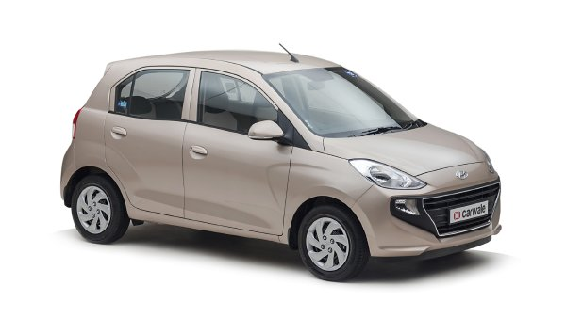
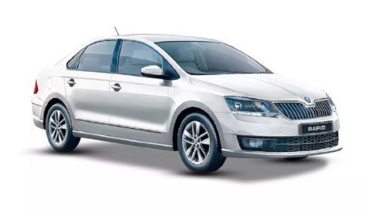
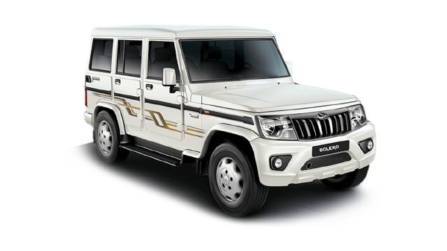
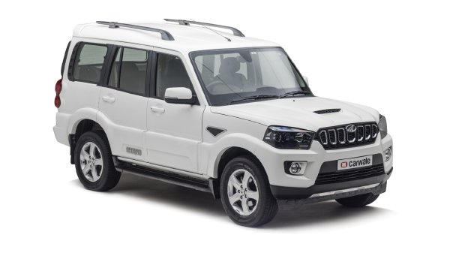
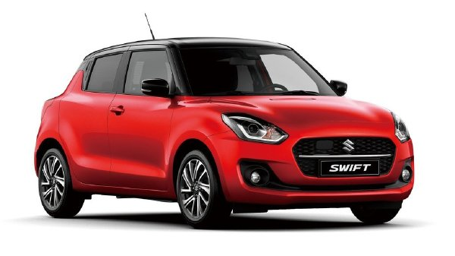
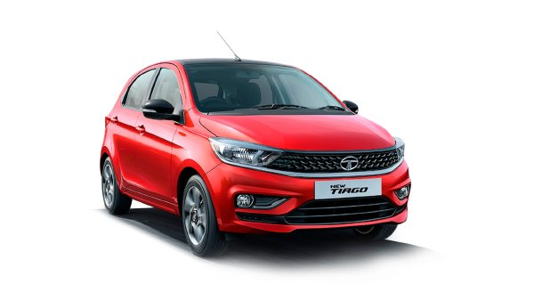
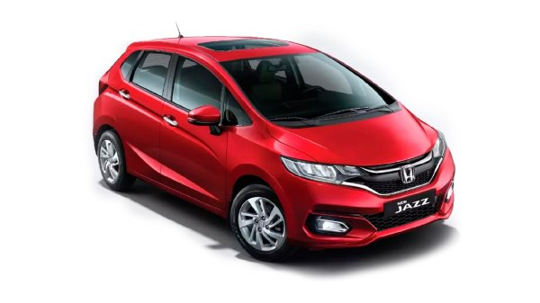
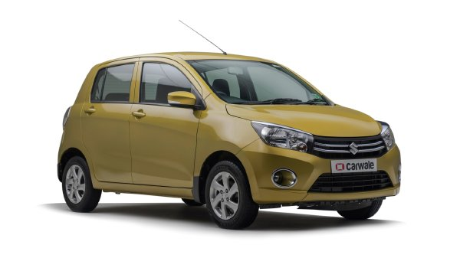
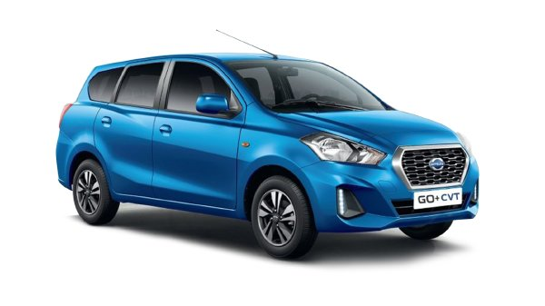
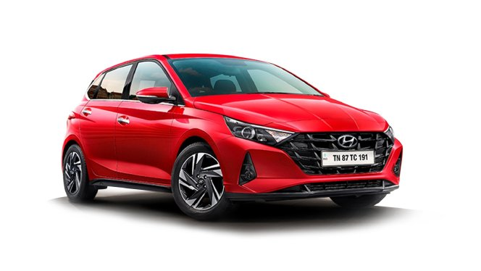
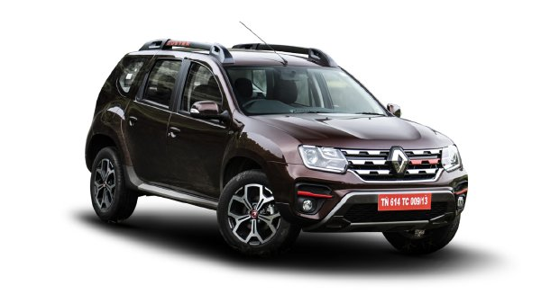
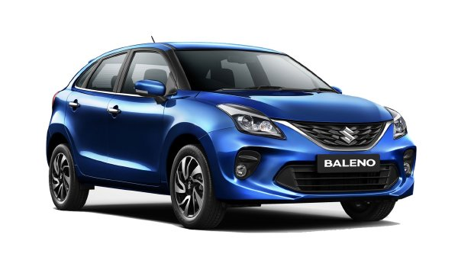
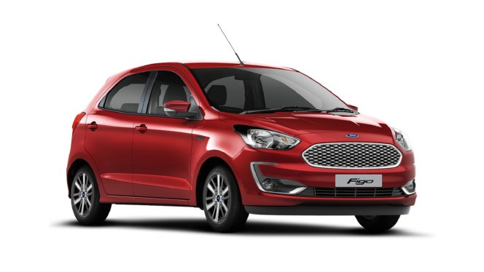
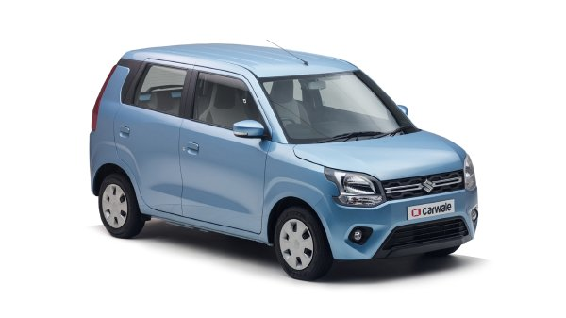
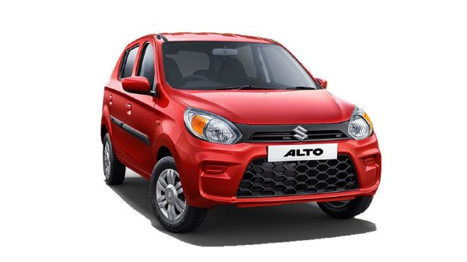
 | Hundai Santro, Milage 20-30Kmph, Fuel Type-Petrol & CNG, Engine 1086 cc, Seat Capacity= 4. | 15.00 | 4.5 | Book Now
 | maruti suzuki Alto, Milage 22-34Kmph, Fuel Type-Petrol,Deisel & CNG, Engine 980 cc, Seat Capacity= 4. | 18.00 | 4.8 | Book Now
 | Skoda Rapid TSI, Milage 16-18Kmph, Fuel Type-Petrol, Engine 999 cc, Seat Capacity= 5. | 16.00 | 4 | Book Now
 | Mahindra Bulero, Milage 19 Kmph, Fuel Type-Petrol, Engine 999 cc, Seat Capacity= 10 | 16.50 | 3.5 | Book Now
 | mahindra Scorpio, Milage 15Kmph, Fuel Type-Diesel, Engine 1493 cc, Seat Capacity= 10 | 19.00 | 3.2 | Book Now
 | Maruti Suzuki swift, Milage 21 Kmph, Fuel Type-Diesel & CNG, Engine 1197 cc, Seat Capacity= 4. | 15.00 | 4.4 | Book Now
 | Tata Tiago, Milage 18-24Kmph, Fuel Type-Petrol, Engine 1199 cc, Seat Capacity= 4. | 16.00 | 4.2 | Book Now
 | Honda Jazz, Milage 16-17Kmph, Fuel Type-Petrol & Diesel, Engine 1199 cc, Seat Capacity= 4 | 15.00 | 4.3 | Book Now
 | Maruti Suzuki Celerio, Milage 21-30Kmph, Fuel Type-Petrol & CNG, Engine 998 cc, Seat Capacity= 5 | 18.00 | 4.5 | Book Now
 | Datsun GO+, Milage 16-18 Kmph, Fuel Type-Petrol , Engine 1198 cc, Seat Capacity= 6. | 20.30 | 3.4 | Book Now
 | Datsun GO+, Milage 19-25 Kmph, Fuel Type-Petrol & Diesel, Engine 998 cc, Seat Capacity= 4 | 18.00 | 4.2 | Book Now
 | Renault Duster, Milage 14-16 Kmph, Fuel Type-Petrol & Diesel, Engine 1130 cc, Seat Capacity= 8 | 17.00 | 3.6 | Book Now
 | Maruti suzuki Beleno, Milage 17-19 Kmph, Fuel Type- Diesel, Engine 1197 cc, Seat Capacity= 6 | 21.00 | 3.1 | Book Now
 | Ford Figo, Milage 19-21 Kmph, Fuel Type- petrol, Engine 1197 cc, Seat Capacity= 5 | 15.50 | 3.6 | Book Now
 | Wagner, Milage 20-32 Kmph, Fuel Type- petrol & CNG, Engine 998 cc, Seat Capacity= 5 | 16.00 | 4.8 | Book Now

